New reclassification logic
New Reclassification Logic:

 | Central | Countries
General | + Rebalancing between regions is ignored. + Replenishment orders are taken into account. | + Does not set target in Countries until there is enough stock in central stock. + We do not open Pos if there is not enough inventory in Central to cover it.
DA | + DA LSA1 --> do not reclassify to HIT. Leave it as it is. | + DA LSA1 --> do not reclassify to HIT. Leave it as it is.
TW |  | + LSA1 --> do not reclassify to HIT. Leave it as it is.
UN | + There are some orders classified as SBD. Reclassify as HIT if they ship within the NBD criteria. | + There are some orders classified as SBD. Reclassify as HIT if they ship within the NBD criteria.
GE |  | + LSA1 --> do not reclassify to HIT. Leave it as it is.
LOA/LOF reporting | DA : Remove LSA1. All platforms : remove rebalancing between regions | DA : Remove LSA1.

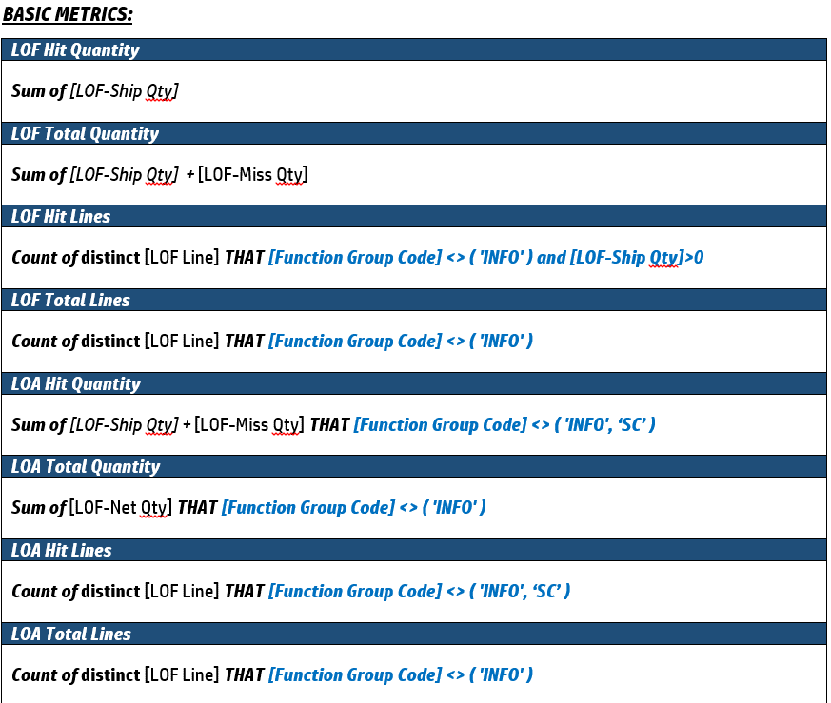
Must-Follow Rules:

Column (In LOF Raw Data Template) | Field values
Function Group (Y) | HIT, SC, IT, OM, WH, INFO
Miss code (Z) | can be modified to WH or CANC
Miss root cause group (AZ) | Use values from tab "hit miss cause & root cause", column A
Miss root cause (BA) | Use values from tab "hit miss cause & root cause", column B
Owner (BB) | The name of the person who reclassified the line

Reclassification | How to reclassify
Rebalancing between regions - to cancel line | Function Group= INFO Miss Code = CANC LOF-Net Qty = 0 LOF-Ship Qty = 0 LOF-Miss Qty = 0
To cancel a line | Function Group= INFO Miss Code = CANC LOF-Net Qty = 0 LOF-Ship Qty = 0 LOF-Miss Qty = 0
To reclassify to "not SC miss" | Function Group= WH Miss Code = WH
DA LSA 1 | Do not change reclassification
From INFO to HIT/MISS | NOT POSSIBLE!

